Step 1.2
IREF and Io Relationship
IREF | Io | Vin | Vo | VEC(Q1) = VEB(Q1) | VEC(Q2)
Amps | Amps | Volts | Volts | Volts | Volts
0.0001 | 0.00010389989488 | 4.4231660005 | -3.9610010115 | 0.58 | 8.96
0.00011 | 0.0001142391674 | 4.4196246123 | -3.8576082874 | 0.58 | 8.86
0.00012 | 0.00012455254695 | 4.4167029487 | -3.7544744929 | 0.58 | 8.75
0.00013 | 0.00013485929052 | 4.4138726948 | -3.6514070582 | 0.59 | 8.65
0.00014 | 0.00014515277603 | 4.4112464713 | -3.5484722042 | 0.59 | 8.55
0.00015 | 0.00015543294444 | 4.4088017119 | -3.4456705211 | 0.59 | 8.45
0.00016 | 0.00016569972245 | 4.4065144444 | -3.343002742 | 0.59 | 8.34
0.00017 | 0.00017595305256 | 4.404365528 | -3.240469442 | 0.60 | 8.24
0.00018 | 0.00018619288832 | 4.4023391429 | -3.1380710854 | 0.60 | 8.14
0.00019 | 0.00019641919215 | 4.4004220337 | -3.0358080482 | 0.60 | 8.04
0.0002 | 0.00020663193389 | 4.398602985 | -2.9336806317 | 0.60 | 7.93
0.00021 | 0.00021683108964 | 4.3968724238 | -2.8316890752 | 0.60 | 7.83
0.00022 | 0.00022701664077 | 4.3952221136 | -2.729833565 | 0.60 | 7.73
0.00023 | 0.00023718857319 | 4.3936449165 | -2.6281142419 | 0.61 | 7.63
0.00024 | 0.00024734687668 | 4.3921346065 | -2.5265312079 | 0.61 | 7.53
0.00025 | 0.00025749154444 | 4.3906857205 | -2.4250845313 | 0.61 | 7.43
0.00026 | 0.0002676225726 | 4.3892934383 | -2.3237742508 | 0.61 | 7.32
0.00027 | 0.00027773995987 | 4.3879534856 | -2.2226003791 | 0.61 | 7.22
0.00028 | 0.00028784370724 | 4.3866620549 | -2.1215629064 | 0.61 | 7.12
0.00029 | 0.00029793381773 | 4.3854157395 | -2.0206618025 | 0.61 | 7.02
0.0003 | 0.00030801029614 | 4.3842114793 | -1.9198970194 | 0.62 | 6.92
0.00031 | 0.00031807314888 | 4.3830465153 | -1.8192684931 | 0.62 | 6.82
0.00032 | 0.00032812238376 | 4.3819183515 | -1.7187761452 | 0.62 | 6.72
0.00033 | 0.00033815800992 | 4.3808247224 | -1.6184198846 | 0.62 | 6.62
0.00034 | 0.00034818003763 | 4.3797635654 | -1.5181996086 | 0.62 | 6.52
0.00035 | 0.00035818847821 | 4.3787329972 | -1.4181152038 | 0.62 | 6.42
0.00036 | 0.00036818334393 | 4.377731294 | -1.3181665475 | 0.62 | 6.32
0.00037 | 0.00037816464793 | 4.3767568735 | -1.2183535085 | 0.62 | 6.22
0.00038 | 0.00038813240413 | 4.3758082802 | -1.1186759475 | 0.62 | 6.12
0.00039 | 0.00039808662714 | 4.3748841719 | -1.0191337184 | 0.63 | 6.02
0.0004 | 0.00040802733226 | 4.3739833086 | -0.91972666818 | 0.63 | 5.92
0.00041 | 0.00041795453536 | 4.3731045418 | -0.82045463821 | 0.63 | 5.82
0.00042 | 0.00042786825286 | 4.3722468064 | -0.72131746418 | 0.63 | 5.72
0.00043 | 0.00043776850169 | 4.3714091124 | -0.62231497685 | 0.63 | 5.62
0.00044 | 0.00044765529924 | 4.3705905381 | -0.52344700235 | 0.63 | 5.52
0.00045 | 0.00045752866332 | 4.3697902239 | -0.42471336255 | 0.63 | 5.42
0.00046 | 0.00046738861213 | 4.369007367 | -0.32611387543 | 0.63 | 5.33
0.00047 | 0.00047723516423 | 4.3682412163 | -0.22764835538 | 0.63 | 5.23
0.00048 | 0.00048706833853 | 4.3674910682 | -0.12931661341 | 0.63 | 5.13
0.00049 | 0.00049688815422 | 4.3667562627 | -0.031118457525 | 0.63 | 5.03
0.0005 | 0.00050669463078 | 4.3660361796 | 0.06694630716 | 0.63 | 4.93
0.00051 | 0.00051648778798 | 4.3653302358 | 0.16487787811 | 0.63 | 4.84
0.00052 | 0.00052626764579 | 4.3646378821 | 0.26267645527 | 0.64 | 4.74
0.00053 | 0.00053603422444 | 4.3639586006 | 0.36034224079 | 0.64 | 4.64
0.00054 | 0.00054578754435 | 4.3632919025 | 0.45787543893 | 0.64 | 4.54
0.00055 | 0.00055552762614 | 4.362637326 | 0.55527625584 | 0.64 | 4.44
0.00056 | 0.0005652544906 | 4.3619944342 | 0.65254489951 | 0.64 | 4.35
0.00057 | 0.0005749681587 | 4.3613628133 | 0.74968157954 | 0.64 | 4.25
0.00058 | 0.00058466865155 | 4.3607420712 | 0.84668650708 | 0.64 | 4.15
0.00059 | 0.00059435599041 | 4.360131836 | 0.94355989467 | 0.64 | 4.06
0.0006 | 0.00060403019666 | 4.3595317544 | 1.0403019562 | 0.64 | 3.96
0.00061 | 0.00061369129181 | 4.3589414907 | 1.1369129067 | 0.64 | 3.86
0.00062 | 0.00062333929749 | 4.3583607255 | 1.2333929625 | 0.64 | 3.77
0.00063 | 0.00063297423541 | 4.3577891549 | 1.3297423408 | 0.64 | 3.67
0.00064 | 0.00064259612739 | 4.3572264892 | 1.4259612596 | 0.64 | 3.57
0.00065 | 0.00065220499535 | 4.3566724523 | 1.5220499382 | 0.64 | 3.48
0.00066 | 0.00066180086126 | 4.3561267806 | 1.6180085964 | 0.64 | 3.38
0.00067 | 0.0006713837472 | 4.3555892225 | 1.7138374549 | 0.64 | 3.29
0.00068 | 0.0006809536753 | 4.3550595376 | 1.8095367349 | 0.64 | 3.19
0.00069 | 0.00069051066774 | 4.3545374959 | 1.9051066583 | 0.65 | 3.09
0.0007 | 0.00070005474677 | 4.3540228775 | 2.0005474477 | 0.65 | 3.00
0.00071 | 0.00070958593471 | 4.3535154718 | 2.0958593261 | 0.65 | 2.90
0.00072 | 0.00071910425389 | 4.353015077 | 2.191042517 | 0.65 | 2.81
0.00073 | 0.00072860972671 | 4.3525214996 | 2.2860972443 | 0.65 | 2.71
0.00074 | 0.0007381023756 | 4.3520345542 | 2.3810237322 | 0.65 | 2.62
0.00075 | 0.00074758222303 | 4.3515540626 | 2.4758222055 | 0.65 | 2.52
0.00076 | 0.00075704929148 | 4.351079854 | 2.5704928891 | 0.65 | 2.43
0.00077 | 0.00076650360347 | 4.3506117639 | 2.6650360081 | 0.65 | 2.33
0.00078 | 0.00077594518156 | 4.3501496346 | 2.759451788 | 0.65 | 2.24
0.00079 | 0.0007853740483 | 4.3496933141 | 2.8537404544 | 0.65 | 2.15
0.0008 | 0.00079479022627 | 4.3492426563 | 2.9479022333 | 0.65 | 2.05
0.00081 | 0.00080419373808 | 4.3487975204 | 3.0419373504 | 0.65 | 1.96
0.00082 | 0.00081358460632 | 4.348357771 | 3.1358460318 | 0.65 | 1.86
0.00083 | 0.0008229628536 | 4.3479232775 | 3.2296285037 | 0.65 | 1.77
0.00084 | 0.00083232850255 | 4.3474939139 | 3.3232849923 | 0.65 | 1.68
0.00085 | 0.00084168157578 | 4.3470695589 | 3.4168157237 | 0.65 | 1.58
0.00086 | 0.00085102209591 | 4.3466500953 | 3.510220924 | 0.65 | 1.49
0.00087 | 0.00086035008553 | 4.3462354099 | 3.6035008193 | 0.65 | 1.40
0.00088 | 0.00086966556722 | 4.3458253936 | 3.6966556352 | 0.65 | 1.30
0.00089 | 0.00087896856346 | 4.3454199408 | 3.7896855968 | 0.65 | 1.21
0.0009 | 0.00088825909659 | 4.3450189496 | 3.882590927 | 0.65 | 1.12
0.00091 | 0.00089753718831 | 4.3446223214 | 3.9753718433 | 0.66 | 1.02
0.00092 | 0.00090680285795 | 4.3442299609 | 4.0680285388 | 0.66 | 0.93
0.00093 | 0.00091605610939 | 4.3438417761 | 4.1605610523 | 0.66 | 0.84
0.00094 | 0.00092529679987 | 4.3434576808 | 4.2529679562 | 0.66 | 0.75
0.00095 | 0.00093452392705 | 4.3430776076 | 4.345239227 | 0.66 | 0.65
0.00096 | 0.00094373092884 | 4.3427015931 | 4.437309244 | 0.66 | 0.56
0.00097 | 0.00095287602309 | 4.3423303079 | 4.5287601856 | 0.66 | 0.47
0.00098 | 0.00096171724559 | 4.3419679401 | 4.6171724097 | 0.66 | 0.38
0.00099 | 0.00096937509281 | 4.3416295006 | 4.6937508812 | 0.66 | 0.31
0.001 | 0.00097494773361 | 4.3413295317 | 4.7494772886 | 0.66 | 0.25

Step 1.3
IREF and Io Relationship
IREF | Io | Vin | Vo | VEC(Q1) = VEB(Q1) | VEC(Q2)
Amps | Amps | Volts | Volts | Volts | Volts
0.000085 | 8.8376683005E-05 | 4.4289208459 | -4.1162331288 | 0.57 | 9.12 | 0.96179215048
0.0000851 | 8.8480265557E-05 | 4.4288791906 | -4.1151973033 | 0.57 | 9.12 | 0.96179639001
0.0000852 | 8.8583845616E-05 | 4.428837633 | -4.1141615027 | 0.57 | 9.11 | 0.96180064669
0.0000853 | 8.868742505E-05 | 4.4287960997 | -4.1131257084 | 0.57 | 9.11 | 0.96180490021
0.0000854 | 8.8791003238E-05 | 4.4287546151 | -4.1120899265 | 0.57 | 9.11 | 0.9618091573
0.0000855 | 8.8894580177E-05 | 4.4287131789 | -4.1110541571 | 0.57 | 9.11 | 0.96181341798
0.0000856 | 8.8998155868E-05 | 4.4286717911 | -4.1100184002 | 0.57 | 9.11 | 0.96181768223
0.0000857 | 8.910173031E-05 | 4.4286304516 | -4.1089826558 | 0.57 | 9.11 | 0.96182195005
0.0000858 | 8.9205303505E-05 | 4.4285891602 | -4.1079469239 | 0.57 | 9.11 | 0.96182622141
0.0000859 | 8.930887545E-05 | 4.4285479169 | -4.1069112044 | 0.57 | 9.11 | 0.96183049632
0.000086 | 8.9412446146E-05 | 4.4285067215 | -4.1058754975 | 0.57 | 9.11 | 0.96183477476
0.0000861 | 8.9516015593E-05 | 4.4284655739 | -4.104839803 | 0.57 | 9.10 | 0.96183905673
0.0000862 | 8.961958379E-05 | 4.4284244741 | -4.1038041211 | 0.57 | 9.10 | 0.96184334221
0.0000863 | 8.9723150736E-05 | 4.4283834218 | -4.1027684516 | 0.57 | 9.10 | 0.96184763121
0.0000864 | 8.9826716433E-05 | 4.4283424171 | -4.1017327947 | 0.57 | 9.10 | 0.96185192369
0.0000865 | 8.9930280879E-05 | 4.4283014597 | -4.1006971502 | 0.57 | 9.10 | 0.96185621967
0.0000866 | 9.0033844073E-05 | 4.4282605496 | -4.0996615183 | 0.57 | 9.10 | 0.96186051913
0.0000867 | 9.0137406017E-05 | 4.4282196867 | -4.0986258988 | 0.57 | 9.10 | 0.96186482207
0.0000868 | 9.0240966709E-05 | 4.4281788708 | -4.0975902919 | 0.57 | 9.10 | 0.96186912847
0.0000869 | 9.0344526151E-05 | 4.4281381018 | -4.0965546975 | 0.57 | 9.10 | 0.9618734383
0.000087 | 9.0448084338E-05 | 4.4280973797 | -4.0955191157 | 0.57 | 9.10 | 0.9618777516
0.0000871 | 9.0551641275E-05 | 4.4280567043 | -4.0944835463 | 0.57 | 9.09 | 0.96188206832
0.0000872 | 9.0655196959E-05 | 4.4280160756 | -4.0934479895 | 0.57 | 9.09 | 0.96188638848
0.0000873 | 9.075875139E-05 | 4.4279754933 | -4.0924124452 | 0.57 | 9.09 | 0.96189071206
0.0000874 | 9.0862304568E-05 | 4.4279349575 | -4.0913769134 | 0.57 | 9.09 | 0.96189503904
0.0000875 | 9.0965856493E-05 | 4.4278944679 | -4.0903413942 | 0.57 | 9.09 | 0.96189936943
0.0000876 | 9.1069407164E-05 | 4.4278540246 | -4.0893058875 | 0.57 | 9.09 | 0.9619037032
0.0000877 | 9.1172956582E-05 | 4.4278136274 | -4.0882703933 | 0.57 | 9.09 | 0.96190804037
0.0000878 | 9.1276504745E-05 | 4.4277732761 | -4.0872349117 | 0.57 | 9.09 | 0.96191238091
0.0000879 | 9.1380051654E-05 | 4.4277329707 | -4.0861994426 | 0.57 | 9.09 | 0.96191672481
0.000088 | 9.1483597308E-05 | 4.4276927111 | -4.0851639861 | 0.57 | 9.09 | 0.96192107208
0.0000881 | 9.1587141708E-05 | 4.4276524972 | -4.0841285421 | 0.57 | 9.08 | 0.96192542269
0.0000882 | 9.1690684852E-05 | 4.4276123288 | -4.0830931107 | 0.57 | 9.08 | 0.96192977665
0.0000883 | 9.179422674E-05 | 4.4275722059 | -4.0820576918 | 0.57 | 9.08 | 0.96193413394
0.0000884 | 9.1897767373E-05 | 4.4275321284 | -4.0810222855 | 0.57 | 9.08 | 0.96193849456
0.0000885 | 9.200130675E-05 | 4.4274920961 | -4.0799868917 | 0.57 | 9.08 | 0.96194285849
0.0000886 | 9.2104844871E-05 | 4.427452109 | -4.0789515105 | 0.57 | 9.08 | 0.96194722573
0.0000887 | 9.2208381735E-05 | 4.4274121669 | -4.0779161419 | 0.57 | 9.08 | 0.96195159628
0.0000888 | 9.2311917342E-05 | 4.4273722698 | -4.0768807858 | 0.57 | 9.08 | 0.96195597011
0.0000889 | 9.2415451693E-05 | 4.4273324176 | -4.0758454423 | 0.57 | 9.08 | 0.96196034723
0.000089 | 9.2518984786E-05 | 4.4272926101 | -4.0748101114 | 0.57 | 9.07 | 0.96196472762
0.0000891 | 9.2622516623E-05 | 4.4272528472 | -4.073774793 | 0.57 | 9.07 | 0.96196911128
0.0000892 | 9.27260472E-05 | 4.427213129 | -4.0727394873 | 0.57 | 9.07 | 0.96197349821
0.0000893 | 9.2829576521E-05 | 4.4271734551 | -4.0717041941 | 0.57 | 9.07 | 0.96197788837
0.0000894 | 9.2933104581E-05 | 4.4271338256 | -4.0706689135 | 0.57 | 9.07 | 0.9619822818
0.0000895 | 9.3036631385E-05 | 4.4270942404 | -4.0696336455 | 0.57 | 9.07 | 0.96198667845
0.0000896 | 9.3140156929E-05 | 4.4270546993 | -4.06859839 | 0.57 | 9.07 | 0.96199107833
0.0000897 | 9.3243681214E-05 | 4.4270152023 | -4.0675631472 | 0.57 | 9.07 | 0.96199548143
0.0000898 | 9.3347204241E-05 | 4.4269757492 | -4.0665279169 | 0.57 | 9.07 | 0.96199988773
0.0000899 | 9.3450726007E-05 | 4.42693634 | -4.0654926993 | 0.57 | 9.07 | 0.96200429725
0.00009 | 9.3554246513E-05 | 4.4268969745 | -4.0644574942 | 0.57 | 9.06 | 0.96200870997
0.0000901 | 9.365776576E-05 | 4.4268576528 | -4.0634223018 | 0.57 | 9.06 | 0.96201312586
0.0000902 | 9.3761283747E-05 | 4.4268183745 | -4.0623871219 | 0.57 | 9.06 | 0.96201754494
0.0000903 | 9.3864800472E-05 | 4.4267791398 | -4.0613519547 | 0.57 | 9.06 | 0.96202196719
0.0000904 | 9.3968315936E-05 | 4.4267399484 | -4.0603168 | 0.57 | 9.06 | 0.96202639261
0.0000905 | 9.407183014E-05 | 4.4267008003 | -4.059281658 | 0.57 | 9.06 | 0.96203082118
0.0000906 | 9.4175343083E-05 | 4.4266616954 | -4.0582465286 | 0.57 | 9.06 | 0.9620352529
0.0000907 | 9.4278854765E-05 | 4.4266226336 | -4.0572114118 | 0.57 | 9.06 | 0.96203968776
0.0000908 | 9.4382365183E-05 | 4.4265836148 | -4.0561763076 | 0.57 | 9.06 | 0.96204412576
0.0000909 | 9.448587434E-05 | 4.4265446389 | -4.055141216 | 0.57 | 9.06 | 0.96204856688
0.000091 | 9.4589382235E-05 | 4.4265057057 | -4.0541061371 | 0.57 | 9.05 | 0.96205301113
0.0000911 | 9.4692888868E-05 | 4.4264668153 | -4.0530710708 | 0.57 | 9.05 | 0.96205745848
0.0000912 | 9.4796394237E-05 | 4.4264279675 | -4.0520360171 | 0.57 | 9.05 | 0.96206190893
0.0000913 | 9.4899898343E-05 | 4.4263891623 | -4.0510009761 | 0.57 | 9.05 | 0.96206636249
0.0000914 | 9.5003401188E-05 | 4.4263503994 | -4.0499659476 | 0.57 | 9.05 | 0.96207081912
0.0000915 | 9.5106902767E-05 | 4.4263116789 | -4.0489309318 | 0.57 | 9.05 | 0.96207527884
0.0000916 | 9.5210403084E-05 | 4.4262730007 | -4.0478959287 | 0.57 | 9.05 | 0.96207974164
0.0000917 | 9.5313902136E-05 | 4.4262343645 | -4.0468609382 | 0.57 | 9.05 | 0.9620842075
0.0000918 | 9.5417399923E-05 | 4.4261957705 | -4.0458259603 | 0.57 | 9.05 | 0.96208867642
0.0000919 | 9.5520896447E-05 | 4.4261572184 | -4.0447909951 | 0.57 | 9.04 | 0.96209314839
0.000092 | 9.5624391706E-05 | 4.4261187082 | -4.0437560425 | 0.57 | 9.04 | 0.96209762341
0.0000921 | 9.57278857E-05 | 4.4260802398 | -4.0427211026 | 0.57 | 9.04 | 0.96210210145
0.0000922 | 9.5831378429E-05 | 4.4260418131 | -4.0416861753 | 0.57 | 9.04 | 0.96210658254
0.0000923 | 9.5934869892E-05 | 4.426003428 | -4.0406512607 | 0.57 | 9.04 | 0.96211106664
0.0000924 | 9.603836009E-05 | 4.4259650844 | -4.0396163587 | 0.57 | 9.04 | 0.96211555375
0.0000925 | 9.6141849022E-05 | 4.4259267822 | -4.0385814694 | 0.57 | 9.04 | 0.96212004388
0.0000926 | 9.6245336687E-05 | 4.4258885214 | -4.0375465927 | 0.57 | 9.04 | 0.96212453701
0.0000927 | 9.6348823087E-05 | 4.4258503018 | -4.0365117288 | 0.57 | 9.04 | 0.96212903313
0.0000928 | 9.6452308221E-05 | 4.4258121233 | -4.0354768774 | 0.57 | 9.04 | 0.96213353223
0.0000929 | 9.6555792086E-05 | 4.425773986 | -4.0344420388 | 0.57 | 9.03 | 0.96213803432
0.000093 | 9.6659274686E-05 | 4.4257358896 | -4.0334072128 | 0.57 | 9.03 | 0.96214253937
0.0000931 | 9.6762756018E-05 | 4.4256978341 | -4.0323723995 | 0.57 | 9.03 | 0.96214704739
0.0000932 | 9.6866236082E-05 | 4.4256598194 | -4.0313375989 | 0.57 | 9.03 | 0.96215155838
0.0000933 | 9.6969714877E-05 | 4.4256218454 | -4.0303028109 | 0.57 | 9.03 | 0.96215607232
0.0000934 | 9.7073192407E-05 | 4.4255839121 | -4.0292680356 | 0.57 | 9.03 | 0.96216058918
0.0000935 | 9.7176668667E-05 | 4.4255460193 | -4.028233273 | 0.57 | 9.03 | 0.96216510899
0.0000936 | 9.728014366E-05 | 4.425508167 | -4.0271985231 | 0.57 | 9.03 | 0.96216963173
0.0000937 | 9.7383617383E-05 | 4.425470355 | -4.0261637859 | 0.57 | 9.03 | 0.9621741574
0.0000938 | 9.7487089838E-05 | 4.4254325833 | -4.0251290614 | 0.57 | 9.03 | 0.96217868598
0.0000939 | 9.7590561023E-05 | 4.4253948518 | -4.0240943495 | 0.57 | 9.02 | 0.96218321747
0.000094 | 9.7694030939E-05 | 4.4253571604 | -4.0230596504 | 0.57 | 9.02 | 0.96218775187
0.0000941 | 9.7797499586E-05 | 4.4253195091 | -4.0220249639 | 0.57 | 9.02 | 0.96219228915
0.0000942 | 9.7900966963E-05 | 4.4252818977 | -4.0209902902 | 0.57 | 9.02 | 0.96219682933
0.0000943 | 9.800443307E-05 | 4.4252443261 | -4.0199556291 | 0.57 | 9.02 | 0.96220137238
0.0000944 | 9.8107897906E-05 | 4.4252067943 | -4.0189209807 | 0.57 | 9.02 | 0.96220591833
0.0000945 | 9.8211361474E-05 | 4.4251693022 | -4.0178863451 | 0.57 | 9.02 | 0.96221046712
0.0000946 | 9.8314823768E-05 | 4.4251318498 | -4.0168517221 | 0.57 | 9.02 | 0.9622150188
0.0000947 | 9.8418284793E-05 | 4.4250944368 | -4.0158171119 | 0.57 | 9.02 | 0.96221957331
0.0000948 | 9.8521744548E-05 | 4.4250570633 | -4.0147825144 | 0.57 | 9.01 | 0.96222413067
0.0000949 | 9.8625203029E-05 | 4.4250197291 | -4.0137479296 | 0.57 | 9.01 | 0.9622286909
0.000095 | 9.872866024E-05 | 4.4249824342 | -4.0127133575 | 0.58 | 9.01 | 0.96223325394

Step 2.2
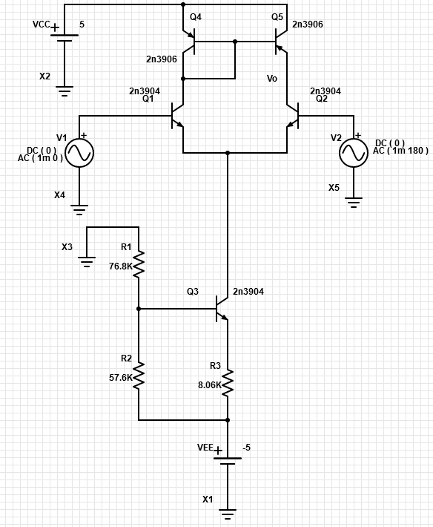
Frequency | vm(vo) | ph(v(vo)) | Ad = 20*log(|Vo|/2mV) | GW | GW in Lab 2
Hz | Volts | deg | dB | dBxHz | dBxHz
100 | 6.3785727183 | -0.51804324288 | 70.07 | 151.1 | 152.0 | PartSim Screenshots of Schematics and DC Bias
102.30597298 | 6.3785605599 | -0.52998850673 | 70.07
104.66512108 | 6.3785478345 | -0.54220917749 | 70.07
107.0786705 | 6.3785345154 | -0.55471160257 | 70.07
109.54787571 | 6.3785205751 | -0.56750227555 | 70.07 |  |  | PartSim Screenshot of AC Frequency Response Vo
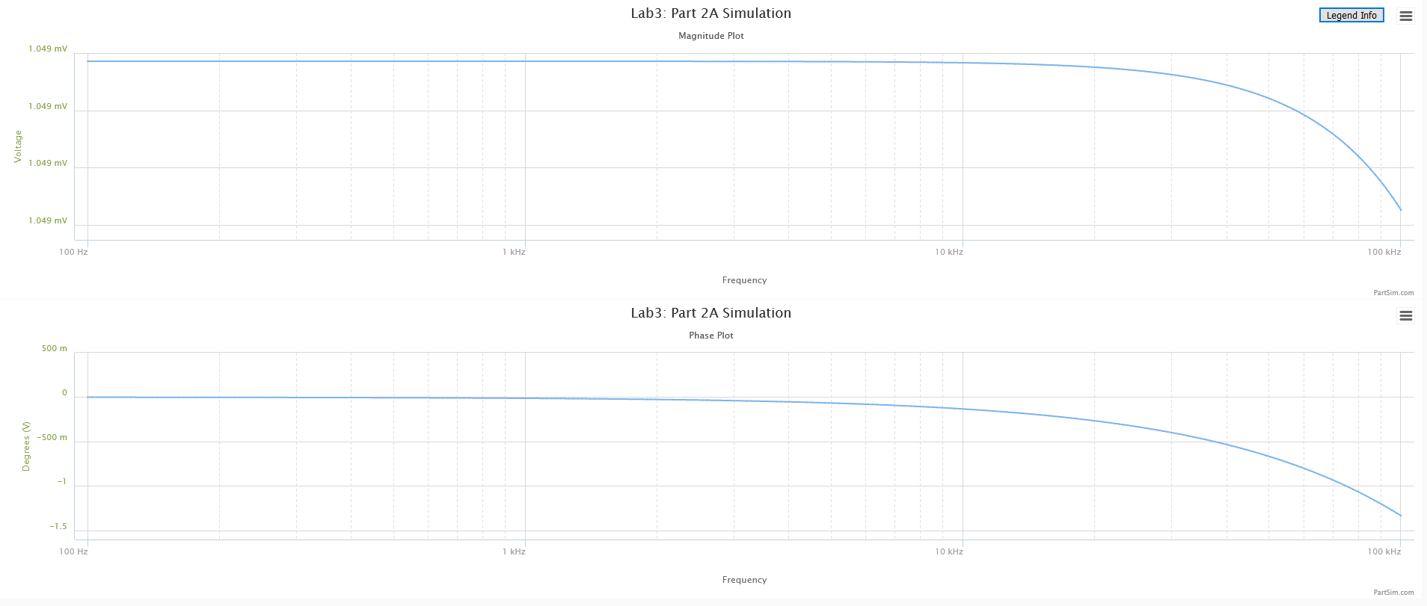
112.07402013 | 6.3785059845 | -0.58058783947 | 70.07
114.65841676 | 6.3784907134 | -0.59397509031 | 70.07
117.30240887 | 6.37847473 | -0.60767098045 | 70.07
120.00737073 | 6.3784580011 | -0.62168262227 | 70.07
122.77470828 | 6.3784404919 | -0.63601729184 | 70.07
125.60585988 | 6.378422166 | -0.65068243265 | 70.07
128.50229708 | 6.3784029854 | -0.66568565944 | 70.07
131.46552533 | 6.3783829101 | -0.68103476215 | 70.07
134.49708483 | 6.3783618986 | -0.6967377099 | 70.07
137.59855127 | 6.378339907 | -0.7128026551 | 70.07
140.77153669 | 6.3783168897 | -0.72923793764 | 70.07
144.0176903 | 6.378292799 | -0.74605208922 | 70.07
147.33869933 | 6.3782675846 | -0.76325383764 | 70.07
150.73628993 | 6.3782411943 | -0.7808521114 | 70.07
154.21222805 | 6.3782135732 | -0.79885604417 | 70.07
157.76832037 | 6.3781846639 | -0.81727497957 | 70.07
161.40641522 | 6.3781544064 | -0.83611847588 | 70.07
165.12840355 | 6.3781227378 | -0.85539631101 | 70.07
168.93621992 | 6.3780895924 | -0.87511848744 | 70.07
172.83184351 | 6.3780549012 | -0.8952952374 | 70.07
176.81729913 | 6.3780185922 | -0.91593702803 | 70.07
180.89465828 | 6.37798059 | -0.9370545668 | 70.07
185.06604023 | 6.3779408155 | -0.95865880688 | 70.07
189.33361312 | 6.3778991865 | -0.98076095292 | 70.07
193.69959509 | 6.3778556159 | -1.0033724664 | 70.07
198.16625542 | 6.3778100141 | -1.0265050721 | 70.07
202.73591574 | 6.3777622859 | -1.0501707631 | 70.07
207.41095118 | 6.3777123323 | -1.0743818079 | 70.07
212.19379168 | 6.3776600496 | -1.0991507558 | 70.07
217.0869232 | 6.3776053292 | -1.124490444 | 70.07
222.092889 | 6.3775480576 | -1.1504140034 | 70.07
227.21429102 | 6.3774881158 | -1.1769348658 | 70.07
232.45379118 | 6.3774253794 | -1.2040667704 | 70.07
237.81411281 | 6.3773597179 | -1.2318237705 | 70.07
243.298042 | 6.3772909958 | -1.2602202415 | 70.07
248.90842912 | 6.3772190701 | -1.2892708869 | 70.07
254.64819025 | 6.3771437916 | -1.3189907464 | 70.07
260.52030873 | 6.3770650042 | -1.3493952036 | 70.07
266.52783666 | 6.3769825443 | -1.380499993 | 70.07
272.67389657 | 6.376896241 | -1.4123212085 | 70.07
278.96168296 | 6.3768059154 | -1.4448753112 | 70.07
285.39446401 | 6.37671138 | -1.4781791375 | 70.07
291.97558325 | 6.3766124389 | -1.5122499075 | 70.07
298.70846132 | 6.3765088871 | -1.5471052337 | 70.07
305.59659774 | 6.3764005098 | -1.5827631295 | 70.07
312.64357272 | 6.376287082 | -1.619242018 | 70.07
319.85304905 | 6.3761683695 | -1.6565607416 | 70.07
327.22877395 | 6.3760441262 | -1.6947385705 | 70.07
334.77458107 | 6.3759140946 | -1.7337952127 | 70.07
342.49439247 | 6.3757780053 | -1.7737508232 | 70.07
350.39222063 | 6.3756355762 | -1.814626014 | 70.07
358.47217058 | 6.3754865134 | -1.8564418645 | 70.07
366.73844199 | 6.3753305078 | -1.8992199307 | 70.07
375.19533138 | 6.3751672365 | -1.9429822565 | 70.07
383.84723436 | 6.3749963617 | -1.9877513837 | 70.07
392.69864789 | 6.3748175301 | -2.0335503631 | 70.07
401.75417262 | 6.3746303722 | -2.0804027655 | 70.07
411.0185153 | 6.3744345002 | -2.1283326921 | 70.07
420.49649122 | 6.3742295105 | -2.1773647874 | 70.07
430.19302671 | 6.3740149789 | -2.227524249 | 70.07
440.11316169 | 6.3737904624 | -2.2788368407 | 70.07
450.2620523 | 6.3735554973 | -2.3313289036 | 70.07
460.64497358 | 6.3733095979 | -2.3850273685 | 70.07
471.26732222 | 6.3730522582 | -2.4399597694 | 70.07
482.13461936 | 6.3727829467 | -2.4961542538 | 70.07
493.25251343 | 6.3725011079 | -2.5536395973 | 70.07
504.62678313 | 6.3722061612 | -2.6124452159 | 70.07
516.26334042 | 6.3718974985 | -2.672601179 | 70.06
528.16823358 | 6.3715744838 | -2.734138223 | 70.06
540.34765036 | 6.3712364536 | -2.7970877654 | 70.06
552.8079212 | 6.3708827111 | -2.8614819169 | 70.06
565.55552251 | 6.3705125295 | -2.9273534967 | 70.06
578.59708007 | 6.3701251467 | -2.9947360456 | 70.06
591.93937243 | 6.3697197686 | -3.0636638421 | 70.06
605.58933444 | 6.3692955618 | -3.1341719137 | 70.06
619.55406089 | 6.3688516556 | -3.2062960539 | 70.06
633.84081015 | 6.3683871405 | -3.2800728363 | 70.06
648.457008 | 6.3679010643 | -3.355539629 | 70.06
663.41025142 | 6.367392431 | -3.4327346092 | 70.06
678.70831259 | 6.3668601994 | -3.5116967791 | 70.06
694.35914292 | 6.3663032817 | -3.5924659812 | 70.06
710.37087717 | 6.3657205397 | -3.6750829121 | 70.06
726.75183769 | 6.3651107835 | -3.7595891392 | 70.06
743.51053873 | 6.3644727692 | -3.8460271154 | 70.05
760.65569088 | 6.3638051961 | -3.9344401939 | 70.05
778.19620562 | 6.3631067048 | -4.0248726448 | 70.05
796.14119989 | 6.3623758742 | -4.1173696693 | 70.05
814.50000087 | 6.3616112196 | -4.211977416 | 70.05
833.28215085 | 6.3608111876 | -4.3087429946 | 70.05
852.49741213 | 6.3599741567 | -4.4077144929 | 70.05
872.15577214 | 6.3590984309 | -4.50894099 | 70.05
892.26744863 | 6.3581822382 | -4.612472572 | 70.05
912.84289494 | 6.3572237292 | -4.7183603477 | 70.04
933.89280549 | 6.3562209682 | -4.8266564597 | 70.04
955.42812129 | 6.355171935 | -4.9374141015 | 70.04
977.46003565 | 6.3540745196 | -5.0506875304 | 70.04
1000 | 6.352926517 | -5.1665320799 | 70.04
1023.0597298 | 6.3517256251 | -5.2850041737 | 70.04
1046.6512108 | 6.350469439 | -5.406161337 | 70.04
1070.786705 | 6.3491554479 | -5.5300622088 | 70.03
1095.4787571 | 6.3477810312 | -5.6567665542 | 70.03
1120.7402013 | 6.3463434518 | -5.7863352721 | 70.03
1146.5841676 | 6.3448398536 | -5.9188304077 | 70.03
1173.0240887 | 6.3432672545 | -6.0543151583 | 70.03
1200.0737073 | 6.3416225435 | -6.1928538841 | 70.02
1227.7470828 | 6.3399024744 | -6.3345121131 | 70.02
1256.0585988 | 6.3381036602 | -6.479356547 | 70.02
1285.0229708 | 6.336222568 | -6.6274550654 | 70.02
1314.6552533 | 6.3342555132 | -6.7788767291 | 70.01
1344.9708483 | 6.3321986543 | -6.9336917819 | 70.01
1375.9855127 | 6.3300479843 | -7.0919716475 | 70.01
1407.7153669 | 6.3277993291 | -7.2537889332 | 70.00
1440.176903 | 6.3254483361 | -7.4192174195 | 70.00
1473.3869933 | 6.3229904708 | -7.5883320581 | 70.00
1507.3628993 | 6.3204210097 | -7.7612089633 | 69.99
1542.1222805 | 6.3177350316 | -7.9379253989 | 69.99
1577.6832037 | 6.3149274143 | -8.1185597689 | 69.99
1614.0641522 | 6.311992824 | -8.3031915983 | 69.98
1651.2840355 | 6.3089257088 | -8.4919015144 | 69.98
1689.3621992 | 6.3057202931 | -8.6847712263 | 69.97
1728.3184351 | 6.302370568 | -8.8818834973 | 69.97
1768.1729913 | 6.2988702859 | -9.0833221183 | 69.96
1808.9465828 | 6.2952129509 | -9.2891718716 | 69.96
1850.6604023 | 6.2913918121 | -9.499518495 | 69.95
1893.3361312 | 6.2873998552 | -9.7144486394 | 69.95
1936.9959509 | 6.2832297973 | -9.9340498252 | 69.94
1981.6625542 | 6.2788740754 | -10.158410386 | 69.94
2027.3591574 | 6.2743248428 | -10.387619419 | 69.93
2074.1095118 | 6.2695739576 | -10.621766713 | 69.92
2121.9379168 | 6.2646129784 | -10.860942689 | 69.92
2170.869232 | 6.2594331569 | -11.105238325 | 69.91
2220.92889 | 6.254025428 | -11.354745068 | 69.90
2272.1429102 | 6.2483804069 | -11.609554755 | 69.89
2324.5379118 | 6.2424883807 | -11.869759514 | 69.89
2378.1411281 | 6.2363393013 | -12.135451661 | 69.88
2432.98042 | 6.2299227835 | -12.406723594 | 69.87
2489.0842912 | 6.2232280949 | -12.683667666 | 69.86
2546.4819025 | 6.2162441554 | -12.966376067 | 69.85
2605.2030873 | 6.2089595324 | -13.254940683 | 69.84
2665.2783666 | 6.2013624354 | -13.549452949 | 69.83
2726.7389657 | 6.1934407178 | -13.850003702 | 69.82
2789.6168296 | 6.185181872 | -14.156683005 | 69.81
2853.9446401 | 6.1765730299 | -14.469579978 | 69.79
2919.7558325 | 6.1676009659 | -14.788782616 | 69.78
2987.0846132 | 6.1582520944 | -15.114377581 | 69.77
3055.9659774 | 6.1485124779 | -15.446450004 | 69.75
3126.4357272 | 6.1383678304 | -15.785083269 | 69.74
3198.5304905 | 6.1278035212 | -16.13035877 | 69.73
3272.2877395 | 6.1168045867 | -16.482355678 | 69.71
3347.7458107 | 6.1053557383 | -16.84115069 | 69.69
3424.9439247 | 6.0934413761 | -17.206817762 | 69.68
3503.9222063 | 6.0810456009 | -17.579427827 | 69.66
3584.7217058 | 6.0681522321 | -17.959048516 | 69.64
3667.3844199 | 6.0547448265 | -18.345743856 | 69.62
3751.9533138 | 6.0408066999 | -18.739573963 | 69.60
3838.4723436 | 6.0263209501 | -19.140594717 | 69.58
3926.9864789 | 6.0112704847 | -19.548857438 | 69.56
4017.5417262 | 5.995638051 | -19.964408547 | 69.54
4110.185153 | 5.9794062674 | -20.387289212 | 69.51
4204.9649122 | 5.9625576613 | -20.817535003 | 69.49
4301.9302671 | 5.9450747083 | -21.255175527 | 69.46
4401.1316169 | 5.926939872 | -21.700234055 | 69.44
4502.620523 | 5.908135654 | -22.152727162 | 69.41
4606.4497358 | 5.8886446389 | -22.612664344 | 69.38
4712.6732222 | 5.8684495501 | -23.080047646 | 69.35
4821.3461936 | 5.8475333047 | -23.554871291 | 69.32
4932.5251343 | 5.8258790721 | -24.037121301 | 69.29
5046.2678313 | 5.8034703386 | -24.526775141 | 69.25
5162.6334042 | 5.7802909712 | -25.023801346 | 69.22
5281.6823358 | 5.7563252868 | -25.528159176 | 69.18
5403.4765036 | 5.7315581252 | -26.039798281 | 69.14
5528.079212 | 5.7059749206 | -26.558658361 | 69.11
5655.5552251 | 5.6795617803 | -27.084668872 | 69.07
5785.9708007 | 5.6523055634 | -27.617748739 | 69.02
5919.3937243 | 5.624193957 | -28.157806067 | 68.98
6055.8933444 | 5.5952155612 | -28.704737925 | 68.94
6195.5406089 | 5.5653599711 | -29.258430132 | 68.89
6338.4081015 | 5.5346178549 | -29.818757054 | 68.84
6484.57008 | 5.5029810396 | -30.385581483 | 68.79
6634.1025142 | 5.4704425904 | -30.958754518 | 68.74
6787.0831259 | 5.4369968898 | -31.538115497 | 68.69
6943.5914292 | 5.4026397138 | -32.123491962 | 68.63
7103.7087717 | 5.3673683091 | -32.7146997 | 68.57
7267.5183769 | 5.3311814595 | -33.31154278 | 68.52
7435.1053873 | 5.2940795562 | -33.913813697 | 68.46
7606.5569088 | 5.2560646563 | -34.521293514 | 68.39
7781.9620562 | 5.2171405401 | -35.133752096 | 68.33
7961.4119989 | 5.1773127595 | -35.750948373 | 68.26
8145.0000087 | 5.1365886802 | -36.372630666 | 68.19
8332.8215085 | 5.094977517 | -36.998537068 | 68.12
8524.9741213 | 5.0524903597 | -37.628395876 | 68.05
8721.5577214 | 5.0091401896 | -38.261926065 | 67.97
8922.6744863 | 4.9649418892 | -38.898837838 | 67.90
9128.4289494 | 4.91991224 | -39.5388332 | 67.82
9338.9280549 | 4.8740699112 | -40.181606591 | 67.74
9554.2812129 | 4.8274354385 | -40.826845564 | 67.65
9774.6003565 | 4.7800311918 | -41.474231498 | 67.57
10000 | 4.731881334 | -42.123440357 | 67.48
10230.597298 | 4.6830117678 | -42.774143464 | 67.39
10466.512108 | 4.6334500745 | -43.426008333 | 67.30
10707.86705 | 4.5832254413 | -44.078699489 | 67.20
10954.787571 | 4.5323685814 | -44.731879347 | 67.11
11207.402013 | 4.4809116423 | -45.385209058 | 67.01
11465.841676 | 4.4288881097 | -46.038349407 | 66.91
11730.240887 | 4.3763327013 | -46.690961689 | 66.80
12000.737073 | 4.3232812548 | -47.342708586 | 66.70
12277.470828 | 4.2697706095 | -47.993255026 | 66.59
12560.585988 | 4.2158384845 | -48.642269055 | 66.48
12850.229708 | 4.1615233514 | -49.289422666 | 66.36
13146.552533 | 4.1068643042 | -49.934392601 | 66.25
13449.708483 | 4.0519009287 | -50.576861152 | 66.13
13759.855127 | 3.9966731677 | -51.216516882 | 66.01
14077.153669 | 3.9412211909 | -51.853055369 | 65.89
14401.76903 | 3.8855852604 | -52.486179842 | 65.77
14733.869933 | 3.8298056027 | -53.115601828 | 65.64
15073.628993 | 3.7739222807 | -53.741041717 | 65.52
15421.222805 | 3.7179750706 | -54.362229299 | 65.39
15776.832037 | 3.6620033423 | -54.978904229 | 65.25
16140.641522 | 3.6060459464 | -55.590816464 | 65.12
16512.840355 | 3.5501411051 | -56.197726621 | 64.98
16893.621992 | 3.4943263107 | -56.799406302 | 64.85
17283.184351 | 3.4386382303 | -57.39563835 | 64.71
17681.729913 | 3.3831126184 | -57.986217071 | 64.57
18089.465828 | 3.3277842355 | -58.570948378 | 64.42
18506.604023 | 3.272686776 | -59.149649911 | 64.28
18933.361312 | 3.2178528028 | -59.722151086 | 64.13
19369.959509 | 3.16331369 | -60.28829312 | 63.98
19816.625542 | 3.1090995734 | -60.847928979 | 63.83
20273.591574 | 3.0552393094 | -61.400923323 | 63.68
20741.095118 | 3.0017604402 | -61.94715238 | 63.53
21219.379168 | 2.9486891674 | -62.486503797 | 63.37
21708.69232 | 2.8960503327 | -63.018876459 | 63.22
22209.2889 | 2.843867404 | -63.544180259 | 63.06
22721.429102 | 2.7921624707 | -64.062335878 | 62.90
23245.379118 | 2.740956242 | -64.573274487 | 62.74
23781.411281 | 2.6902680533 | -65.076937477 | 62.58
24329.8042 | 2.6401158766 | -65.573276137 | 62.41
24890.842912 | 2.5905163364 | -66.062251329 | 62.25
25464.819025 | 2.5414847298 | -66.543833149 | 62.08
26052.030873 | 2.4930350508 | -67.01800057 | 61.91
26652.783666 | 2.4451800179 | -67.484741081 | 61.75
27267.389657 | 2.3979311054 | -67.944050322 | 61.58
27896.168296 | 2.3512985772 | -68.395931712 | 61.41
28539.446401 | 2.3052915229 | -68.840396072 | 61.23
29197.558325 | 2.2599178962 | -69.277461249 | 61.06
29870.846132 | 2.2151845547 | -69.707151748 | 60.89
30559.659774 | 2.1710973016 | -70.129498357 | 60.71
31264.357272 | 2.1276609273 | -70.544537783 | 60.54
31985.304905 | 2.0848792532 | -70.952312289 | 60.36
32722.877395 | 2.0427551748 | -71.352869349 | 60.18
33477.458107 | 2.0012907054 | -71.746261288 | 60.01
34249.439247 | 1.9604870199 | -72.13254496 | 59.83
35039.222063 | 1.920344498 | -72.511781408 | 59.65
35847.217058 | 1.8808627678 | -72.884035551 | 59.47
36673.844199 | 1.8420407475 | -73.249375881 | 59.29
37519.533138 | 1.8038766874 | -73.607874155 | 59.10
38384.723436 | 1.7663682112 | -73.959605124 | 58.92
39269.864789 | 1.729512355 | -74.304646243 | 58.74
40175.417262 | 1.6933056071 | -74.643077422 | 58.55
41101.85153 | 1.6577439448 | -74.97498077 | 58.37
42049.649122 | 1.6228228714 | -75.300440349 | 58.18
43019.302671 | 1.5885374514 | -75.619541959 | 58.00
44011.316169 | 1.5548823443 | -75.932372906 | 57.81
45026.20523 | 1.5218518371 | -76.239021807 | 57.63
46064.497358 | 1.4894398761 | -76.539578395 | 57.44
47126.732222 | 1.4576400962 | -76.834133326 | 57.25
48213.461936 | 1.4264458498 | -77.122778019 | 57.06
49325.251343 | 1.3958502343 | -77.405604478 | 56.88
50462.678313 | 1.3658461175 | -77.682705151 | 56.69
51626.334042 | 1.3364261628 | -77.954172781 | 56.50
52816.823358 | 1.3075828522 | -78.220100272 | 56.31
54034.765036 | 1.2793085083 | -78.48058056 | 56.12
55280.79212 | 1.2515953157 | -78.735706503 | 55.93
56555.552251 | 1.2244353401 | -78.985570766 | 55.74
57859.708007 | 1.1978205473 | -79.230265723 | 55.55
59193.937243 | 1.1717428203 | -79.469883364 | 55.36
60558.933444 | 1.1461939757 | -79.704515205 | 55.16
61955.406089 | 1.1211657793 | -79.934252215 | 54.97
63384.081015 | 1.09664996 | -80.159184734 | 54.78
64845.7008 | 1.0726382233 | -80.379402416 | 54.59
66341.025142 | 1.049122264 | -80.594994159 | 54.40
67870.831259 | 1.0260937772 | -80.806048057 | 54.20
69435.914292 | 1.0035444699 | -81.012651346 | 54.01
71037.087717 | 0.98146606978 | -81.214890359 | 53.82
72675.183769 | 0.95985033552 | -81.412850482 | 53.62
74351.053873 | 0.93868906455 | -81.606616129 | 53.43
76065.569088 | 0.91797410109 | -81.796270694 | 53.24
77819.620562 | 0.89769734328 | -81.981896537 | 53.04
79614.119989 | 0.87785074969 | -82.16357495 | 52.85
81450.000087 | 0.85842634528 | -82.341386138 | 52.65
83328.215085 | 0.83941622684 | -82.515409205 | 52.46
85249.741213 | 0.82081256791 | -82.685722133 | 52.26
87215.577214 | 0.80260762316 | -82.852401774 | 52.07
89226.744863 | 0.78479373242 | -83.015523835 | 51.87
91284.289494 | 0.76736332421 | -83.175162878 | 51.68
93389.280549 | 0.75030891891 | -83.331392309 | 51.48
95542.812129 | 0.73362313152 | -83.484284377 | 51.29
97746.003565 | 0.71729867416 | -83.633910171 | 51.09
100000 | 0.70132835811 | -83.780339624 | 50.90

Step 2.6
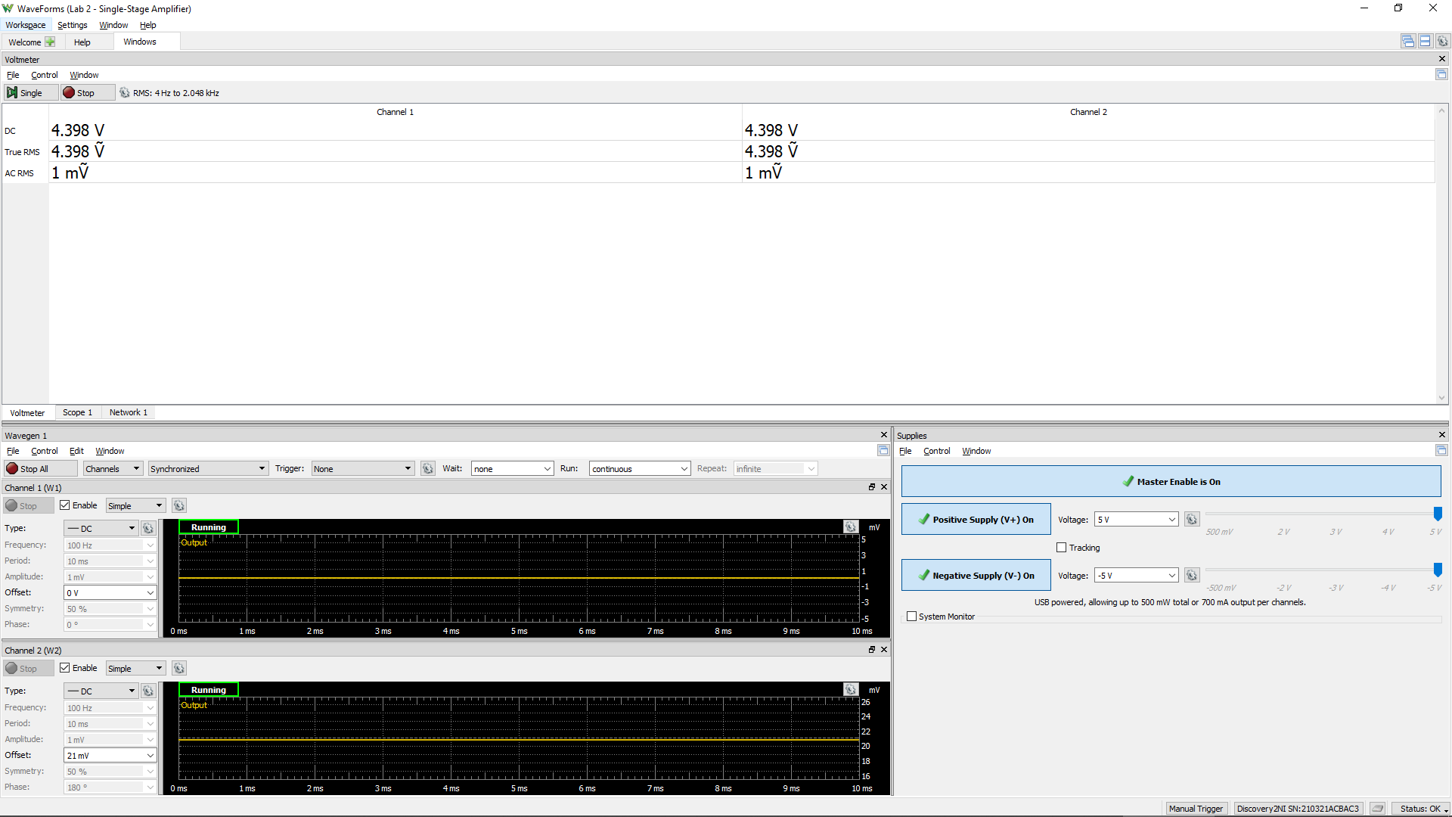
VCC | VC1 (VB9 = VB8) | Vo (VC8) | VEB9 | VBC8
Volt | Volt | Volt | Volt | Volt
5 | 4.407 | 3.1 | 0.593 | 1.307
 |  |  | Q9 is ON | Q8 is in Active Region if VBC > 0.4 V

Screenshot of WaveForms for the Voltmeter

Due to the mitmatch between Q1 and Q2, we need to balance their DC currents by applying offset voltage.
1. Connected Q8 & Q9 as active loads by connecting their base and to their collector individually.
2. Apply offset voltage at V2 to have CH 1 = Ch2. Note: the offest voltage could be positive or negative.

Step 2.8
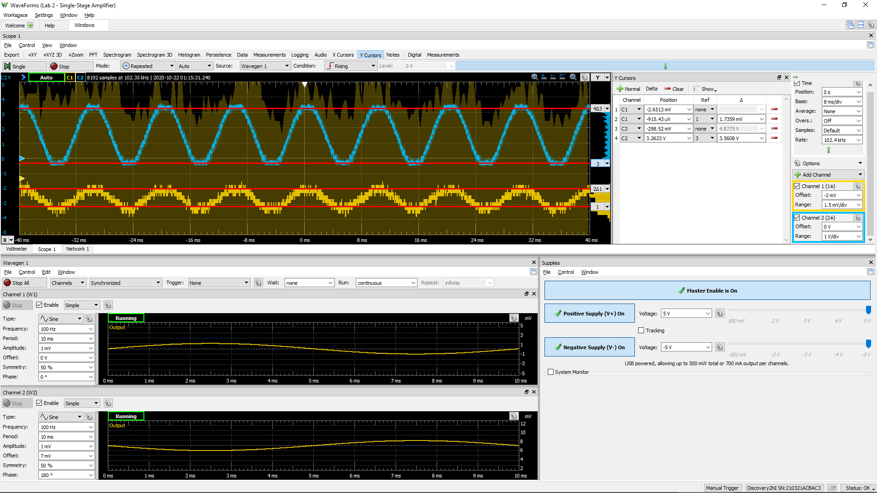
DC1 (V) | DC2 (V) | Differential Voltage Gain Av (dB)
8.45E-04 | 1.36E+00 | 58.1

Sample Screenshot for Step 2.8: Change the offset on V2 to achieve the maximum gain

